1. Title Page
[Grocery Basket Analysis]

Project Name: Instacart Grocery Basket Analysis
Date: 2/9/23
Analyst Name: Sanjukta De

Contents:
Population Flow
Consistency checks
Wrangling steps
Column derivations
Visualizations
Recommendations

2. Population Flow
Title page

Population flow

Exclusion flag
Condition: max_order < 5
Obervations to be removed: 1,440,295
Final total count of order_products_all: 30,964,563

Orders_products_combined
Orders_products_merged
Orders_products_all

Total: 32,404,859 rows x 14 columns
Total: 32,404,859 rows x 38 columns
Total: 32,434,489 rows x 10 columns

1.) The grey boxes in the first row of the population flow represent the original data sets as they were when you downloaded them. In the Total fields you need to add the count of the rows when you imported the data set into Jupyter.
2.) The second row of boxes (coloured) represents the data sets after you manipulated them, e.g., removed missing values and duplicates. In the Total fields you need to add the count of the rows after conducting these operations. This offers a visual oveview of how the data flows throughout the data consistency checks.
3.) The third row, where also the arrows are coloured, represents the merges you performed between the datasets. In the Total fields you need to add the count of the rows in the merged datasets, so that you end up with the final dataset (in the red box). Keep in mind the final dataset should be without exclusions (based on the exclusion flag).

3. Consistency checks
 |  |  |  | Title page
Consistency checks

Dataset | Missing values | Missing values treatment | Duplicates
orders | There are 206,209 missing values in the 'days_since_prior_order column | No action taken, as the 'order_number' of all these customers is 1 | There are no duplicates
products | There are 16 missing values in the 'product_name' column | All the 16 rows are dropped | There are 5 duplicates
orders_products_prior | There was a value in the 'prices' column as 9999(outlier) | The value is changed to NaN | There are no duplicates
customers | There are 11,259 missing values in the 'First Name' column | No action taken, as it is a PII and the whole column has to be deleted eventually | There are no duplicates

4. Wrangling steps
 |  |  |  | Title page
Wrangling steps

Columns dropped | Columns renamed | Columns' type changed | Comment/Reason
eval_set' |  |  | Unnecessary column
first Name' and 'surname' |  |  | PII columns
 | order_dow' to 'orders_day_of_week |  | For ease of understanding
 | STATE' to 'state' |  | For consistency
 | Surnam' to 'surname' |  | Spelling mistake
 | n_dependants' to 'no_of_dependants' |  | For consistency
 |  | user_id' and 'order_id' to strings | As they are used as unique identifiers, so they should be considered as strings
 |  | Have reduced the size of many columns | To reduce the size of the dataframes for easy usage
 |  | First Name' to string | It had mixed data

5. Column derivations
 |  |  |  | Title page

Column derivations and aggregations

Dataset | New column | Column/s it was derived from | Conditions
orders_products_merged.pkl | price_range_loc | prices | If price is <=5 then Low-range product, if price is >5 & <=15 then Mid-range product, if price is >15 then High-range product
orders_products_merged.pkl | busiest_day | orders_day_of_week | If orders_day_of_week = 0 then Busiest day, if orders_day_of_week = 4 then Least Busy day, if orders_day_of_week is anything else then Regularly Busy
orders_products_merged.pkl | busiest_days | orders_day_of_week | If orders_day_of_week = 0 or 1 then Busiest day, if orders_day_of_week = 4 or 3 then Least Busy day, if orders_day_of_week is anything else then Regularly Busy
orders_products_merged.pkl | busiest_period_of_day | order_hour_of_day | If order_hour_of_day = 10,11,14,15,13,12,16,9 then Most orders, if order_hour_of_day = 17,8,18,19,20,7,21,22 then Average orders, if order_hour_of_day is anything else then Fewest orders
orders_products_merged_derived.pkl | max_order | grouping of 'user_id' and 'order_number' | Using 'Groupby' function
orders_products_merged_derived.pkl | loyalty_flag | max_order | If max_order is <=10 then New Customer, if max_order is >10 & <=40 then Regular Customer, if max_order is >40 then Loyal Customer
orders_products_merged_derived.pkl | avg_price | grouping of 'user_id' and 'prices' | Using 'Groupby' function
orders_products_merged_derived.pkl | spending_flag | avg_price | If avg_price is <10 then Low Spender, if avg_price is >=10 then High Spender
orders_products_merged_derived.pkl | median_order_days | grouping of 'user_id' and 'days_since_prior_order' | Using 'Groupby' function
orders_products_merged_derived.pkl | order_frequency_flag | median_order_days | If median_order_days is >20 then Non-frequent customer, if median_order_days is <=20 & >10 then Regular customer, if median_order_days is <=10 then Frequent customer
ords_prods_cust_merged.pkl | region | state | Have divided the different states as per their region - Northeast, Midwest, West, South
ords_prods_cust_merged.pkl | customer_activity | max_order | If max_order is >=5 then High activity customer, if max_order is <5 then Low activity customer
ords_prods_cust_merged.pkl | age_group | age | If age is < 35 then Young Age, if age is >=35 & < 60 then Middle Age, if age is >=60 then Old Age
ords_prods_cust_merged.pkl | Income_Groups | income | If income is < 75,000 then Low Income, if income is >=75,000 & < 150,000 then Medium Income, if income is >=150,000 then High Income
ords_prods_cust_merged.pkl | canned_goods_customers | department_id | If department_id is == 15 then Canned Goods user, if department_id is !=15 then Canned Goods Non-user
ords_prods_cust_merged.pkl | family_status_flag | fam_status & no_of_dependants | If fam_status isin (divorced/widowed, living with parents and siblings, single) & no_of_dependants = 0 then Single with NO Dependants, if fam_status isin (divorced/widowed, living with parents and siblings, single) & no_of_dependants >=1 then Single WITH Dependants, if fam_status is (married) & no_of_dependants =1 then Married with NO Dependants, if fam_status is (married) & no_of_dependants >1 then Married WITH Dependants

6. Visualizations
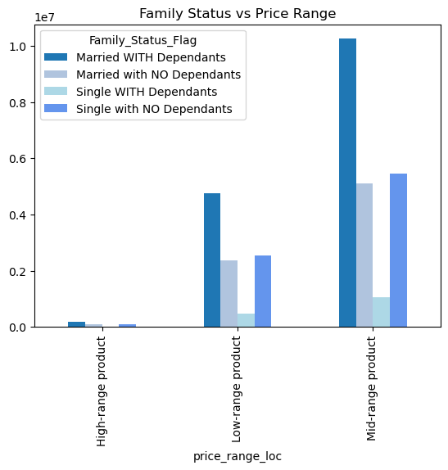
 |  | Title page

Visualisations

1. The sales team needs to know what the busiest days of the week and hours of the day are (i.e., the days and times with the most orders) in order to schedule ads at times when there are fewer orders.

The below bar chart shows the amount of orders (y-axis) spread accross the days of the week (x-axis)
The below histogram shows the busiest hours of the day.
x-axis represents the hours pf the day and y-axis represents the order frequency

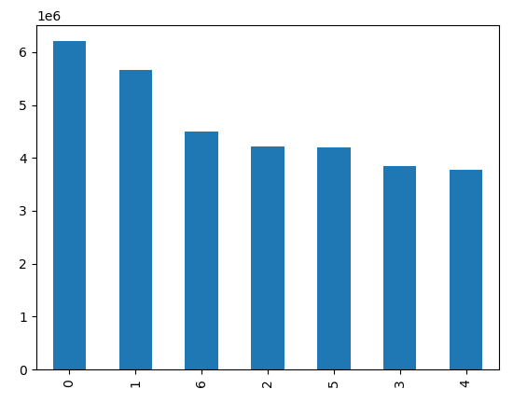
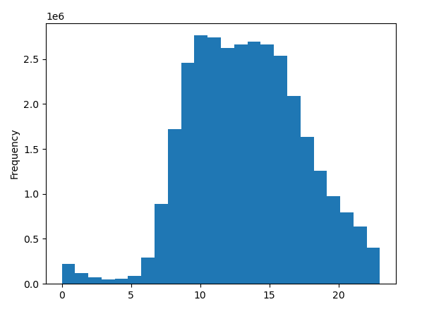

Legend:
0 - Saturday
1 - Sunday
2 - Monday
3 - Tuesday
4 - Wednesday
5 - Thursday
6 - Friday

2. They also want to know whether there are particular times of the day when people spend the most money, as this might inform the type of products they advertise at these times.

The below line chart shows the prices of the products ordered during the hours of the day. Hours of the day is on the x-axis and price of the products on the y-axis

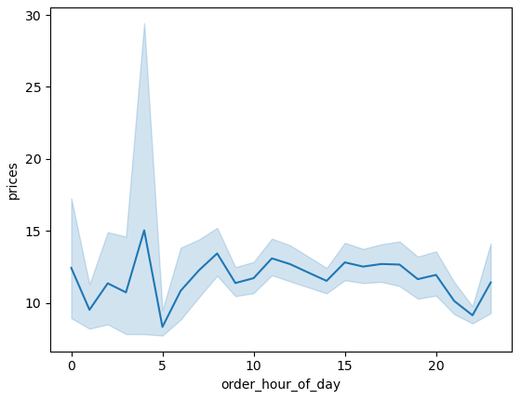

3. Instacart has a lot of products with different price tags. Marketing and sales want to use simpler price range groupings to help direct their efforts.

The below bar char shows the grouping of all its products according to their price tags

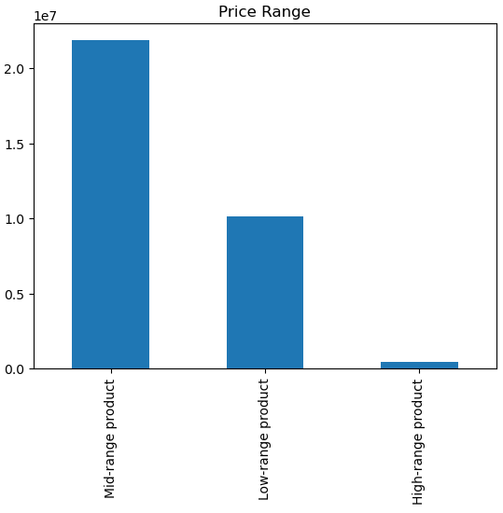

Condition:
If price is <=5 then Low-range product, if pricve is >5 & <=15 then Mid-range product, if price is >15 then High-range product

4. Are their certain types of products that are more popular than others? The marketing and sales team want to know which departments have the highest frequency of product orders.

The below bar chart shows the frequency of the product orders in each department. Y-axis represnts the frequency. As we can see, 'produce' has the highest frequency, followed by 'dairy eggs' and 'snacks'.

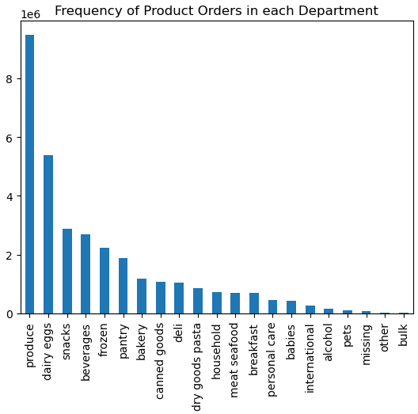

5. The marketing and sales teams are particularly interested in the different types of customers in their system and how their ordering behaviors differ.

 | a. What's the distribution among users in regards to their brand loyalty (i.e., how often do they return to Instacart)?
The below chart shows the Customer's loyalty towards the brand. The Y-axis represents the frequency. Here we can see that 'Regular Customers' have the highest frequency followed by the 'Loyal Customers' and 'New Customers' respectively.

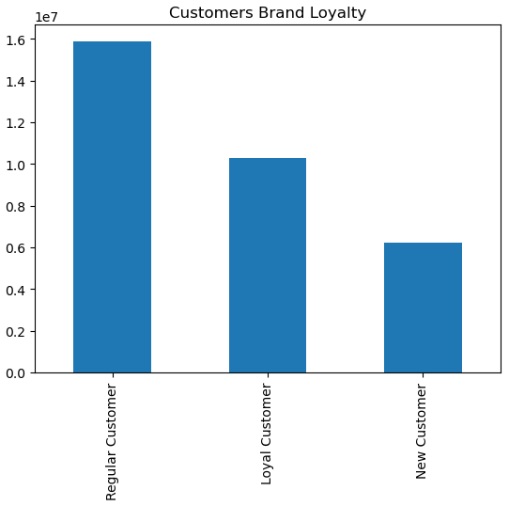

Condition:
If max_order is <=10 then New Customer, if max_order is > 10 & <= 40 then Regular Customer, if max_order is > 40 then Loyal Customer

 | b. Are there differences in ordering habits based on a customer's loyalty status?
The below bar chart shows when the customers places an order in a day. We can see that most of the Loyal Customers places an order during the time when Instacart receives the most number of orders, followed by when it receives the average number of orders.
The below bar chart shows when the customers places an order in a week. We can see that a major number of Loyal Customers places an order on the Regularly Busy days (i.e., Monday, Thursday & Friday) and then on the Busiest Days (i.e., Saturday & Sunday)
The below bar chart shows the spending habits of the customers. We can see that most of the customers (loyal, regular and new) are mostly low spenders (i.e., their average price per product is < 10).

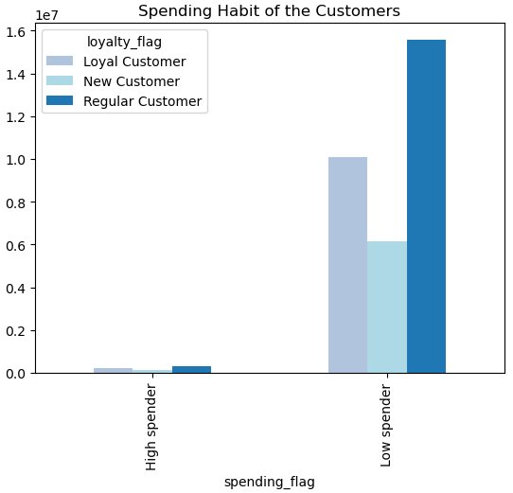
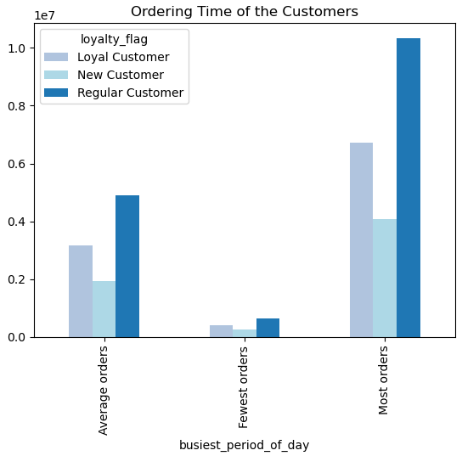
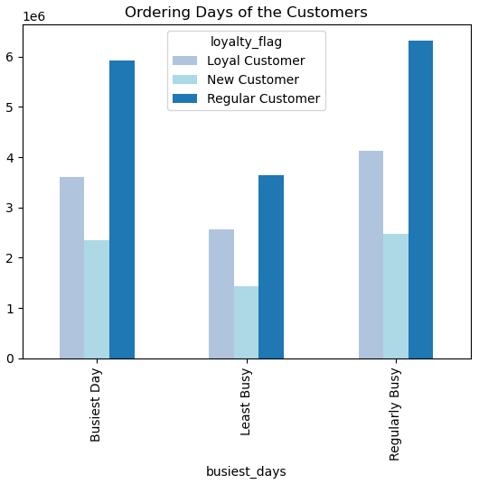

Condition:
If avg_price is < 10 then Low spender and if avg_price is > 10 then High spender
Condition:
If order_hour_of_day = 10,11,14,15,13,12,16,9 then Most orders, if order_hour_of_day = 17,8,18,19,20,7,21,22 then Average orders, if order_hour_of_day is anything else then Fewest orders
Condition:
If orders_day_of_week = 0 or 1 then Busiest day, if orders_day_of_week = 4 or 3 then Least Busy day, if orders_day_of_week is anything else then Regularly Busy

 | c. Are there differences in ordering habits based on customer's region?

The below bar chart shows that the 'Low Spenders' generates the maximum revenue for Instacart. The maximum number of Low Spenders are from the South, followed by West and Midwest.
The below bar chart shows the spending habit of the customers across different regions and departments. Here also we can see that the maximum revenue is generated from the South, followed by West and Midwest.

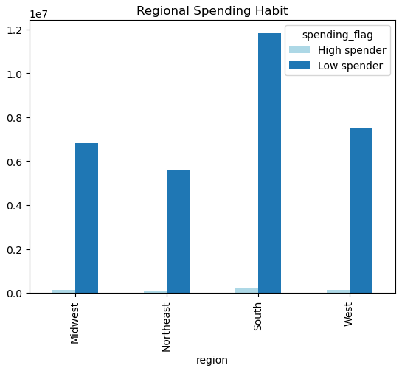
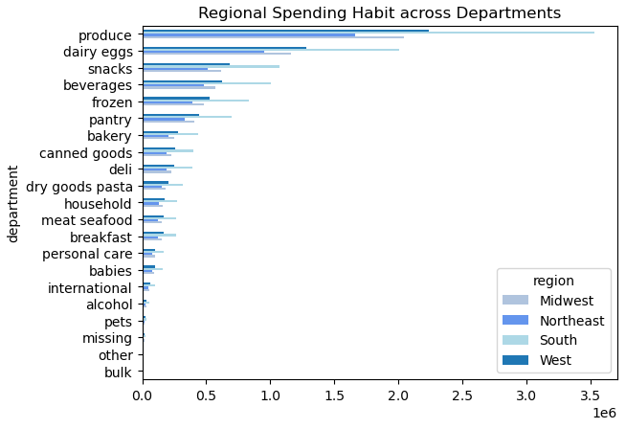

 | d. Is there a connection between age and family status in terms of ordering habits?

The below bar chart shows that the maximum proportion of Instacart's customers are married and HAVE dependants. On the other hand, the proportion of single with NO dependants and married with NO dependants are quite comparable to each other.
The below bar chart shows that the maximum proportion of Instacart's customers are middle aged, followed by old age and young age respectively.

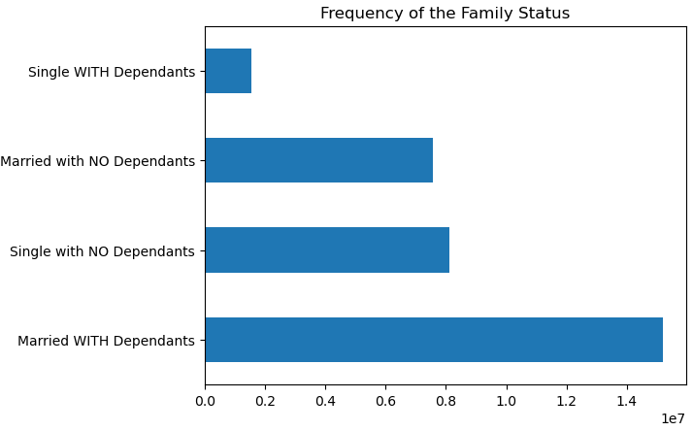

 | e. What different classifications does the demographic information suggest? Age? Income? Certain type of goods? Family status?

The below bar chart shows the demographic classification of the customeres based on their Age.
The below bar chart shows the demographic classification of the customers based on their Income.
The below bar chart shows the demographic classification of the customers based on their preference towards Canned Goods.

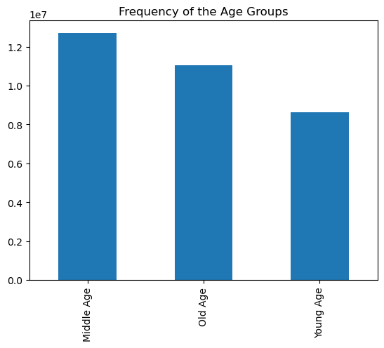
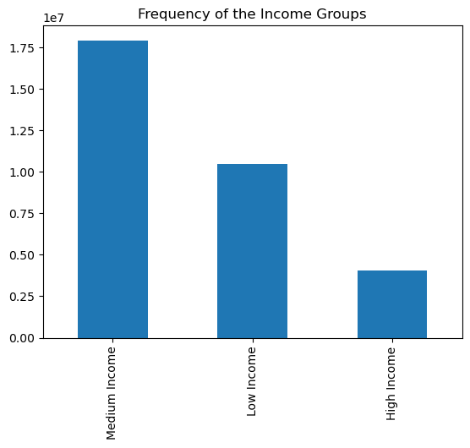
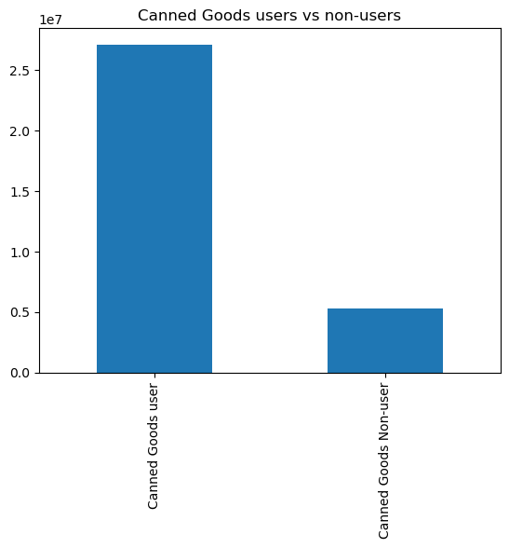

Condition:
If department_id is = 15 then Canned Goods user, or else Canned Goods Non-user,
Condition:
If age is < 35 then Young Age, if age is >= 35 & < 60 then Middle Age, if age is >= 60 then Old Age.
Condition:
If income is < 75,000 the Low Income, if income is >= 75,000 & < 150,000 then Medium Income, if income is > 150,000 then High Income.

The below bar chart shows the demographic classification of the customers based on their Family Status.

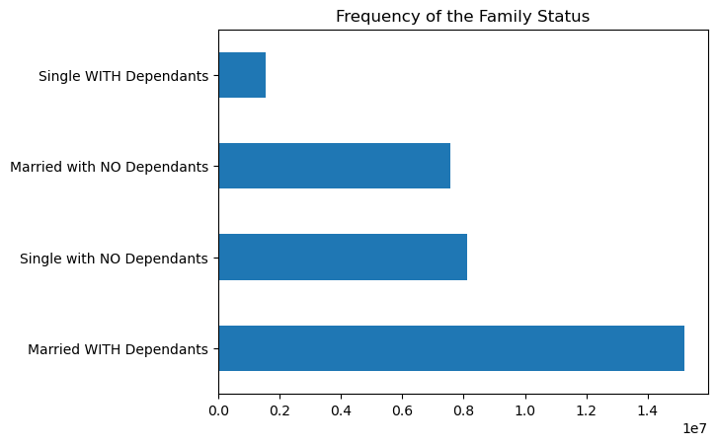

Condition:
If fam_status isin (divorced/widowed, living with parents and siblings, single) & no_of_dependants = 0 then Single with NO Dependants, if fam_status isin (divorced/widowed, living with parents and siblings, single) & no_of_dependants >=1 then Single WITH Dependants, if fam_status is (married) & no_of_dependants =1 then Married with NO Dependants, if fam_status is (married) & no_of_dependants >1 then Married WITH Dependants

 | f. What differences can you find in ordering habits of different customer profiles? Consider the price of orders, the frequency of orders, the products customers are ordering, and anything else you can think of.
The below bar chart shows the time when orders were placed by the different age groups. Here we can see that during the peak hours (i.e., 9am - 5pm), the number of middle age customer's orders are almost comparable to the number of old age customer's orders.
The below bar chart shows the regional distribution of the age groups. Majority of the Middle Age customers (maximum revenue generators) are based in South, followed by West and Midwest.
The below bar chart shows the spending habits of the age groups. As seen earlier, low spenders generates maximum revenue for Instacart, and the middle age group constitutes the majority of the low spenders.

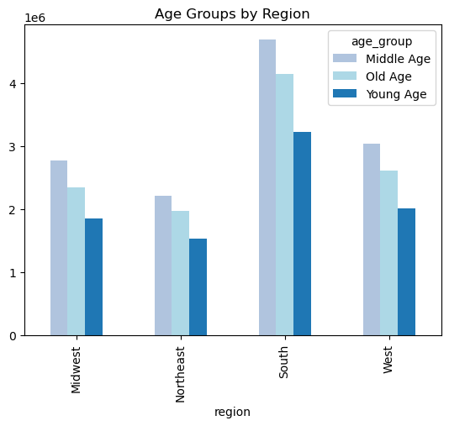
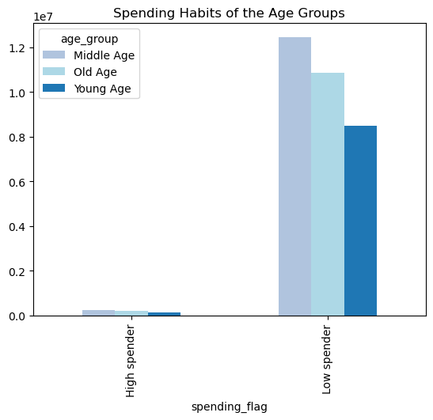
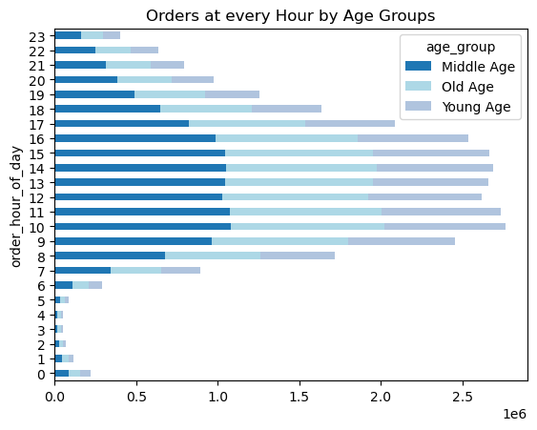

The below bar chart shows the age group of the different income groups. The middle age group consists of mostly medium income customers, followed by low income and high income customers. The old age group consists of mostly medium income customers, followed by high income and low income customers. Whereas, the young age group consists of the most number of low income customers, followed by medium income customers and very few high income customers.
The below bar chart shows the order frequency of the different age groups. Most of the customers are frequent customers (i.e., their median_order_days is <= 10).The majority of the frequent customers are middle age customers, followed by old age and young age customers.
The below bar chart shows the products the different age groups are ordering. Here we can see that almost the same number of middle age and old age customers prefers to order produce items.

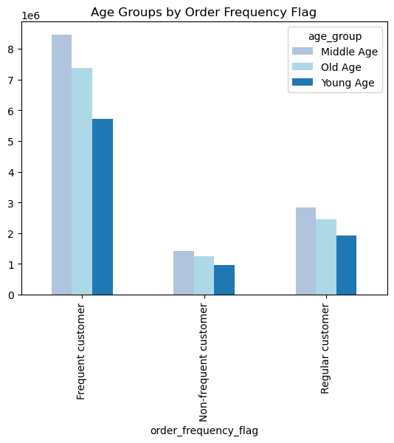
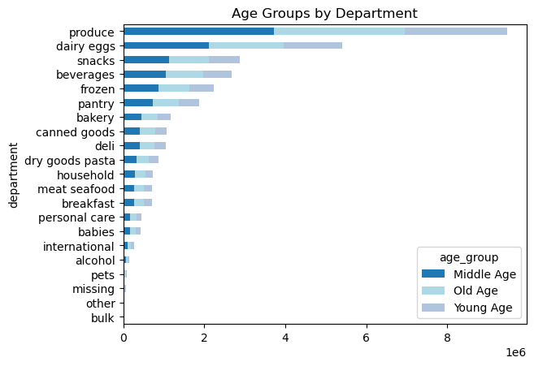
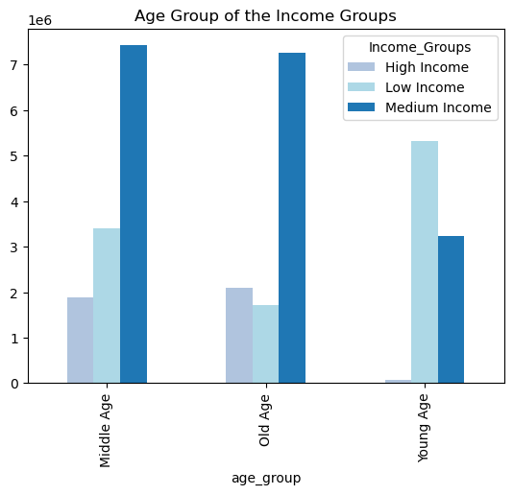

The below bar chart shows the price range of the products ordered by the csutomers based on their age group. We can see that majority of the middle age customers prefer to buy mid-range products and the least number of young age customers are seen buying high range products.
The below bar chart shows the order frequency based on the income groups. Majority of the frequent customers belongs to the medium income group followed by the low income and high income groups.
The below bar chart shows the spending habits of the different income groups. The medium income group constitutes the majority of the low spenders, followed by the low income groups.

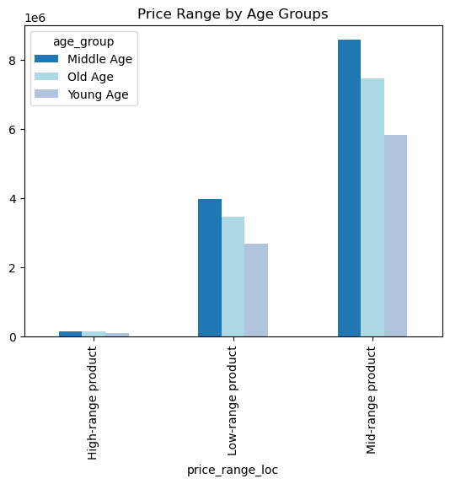
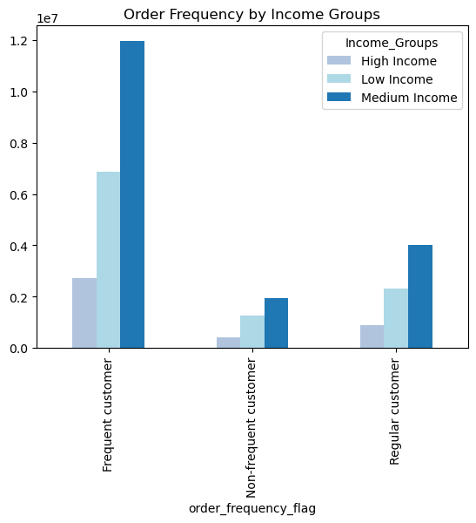
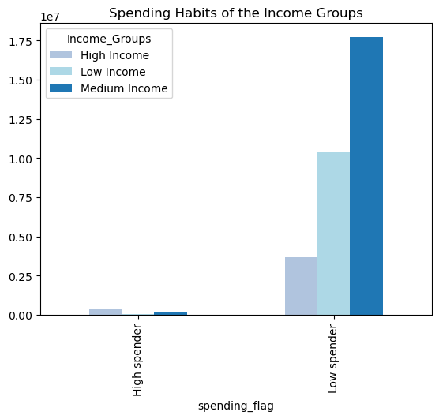

The below bar chart shows the products the different income groups are ordering. We can see that the produce items are ordered the most by both medium and low income customers, followed by dairy eggs. But, though in general snacks generates more revenue than beverages, but here we can see that the medium income groups orders beverages more than snacks.
The below bar chart shows the regional distribution of the income groups. Majority of the medium income group is based in the southern region, followed by almost a comparable number of medium income group in both west and miswest region.
The below bar chart shows the canned goods users by income groups. We can see that majority of the canned goods users are also from the medium income group, followed by the low income group.

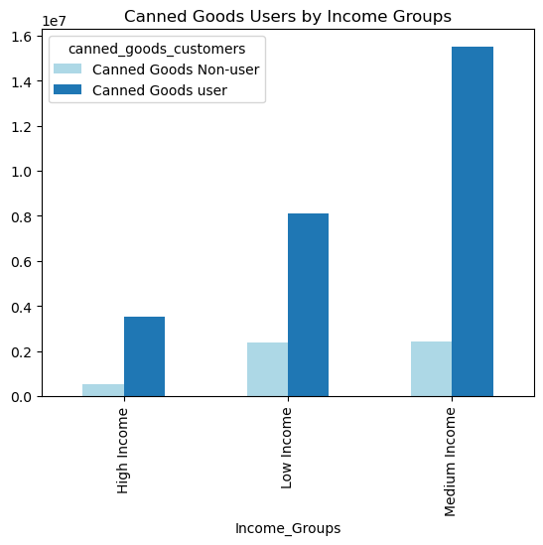
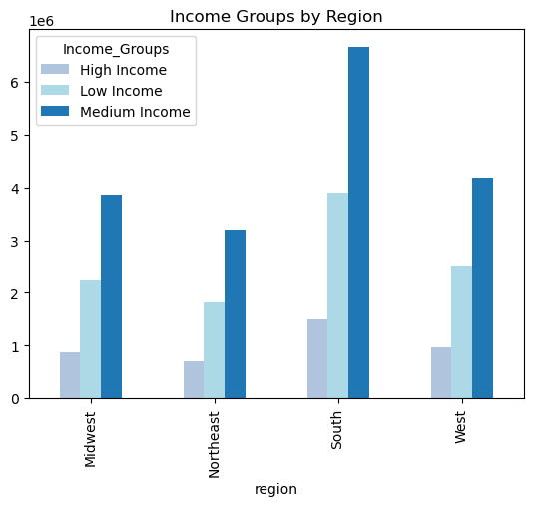
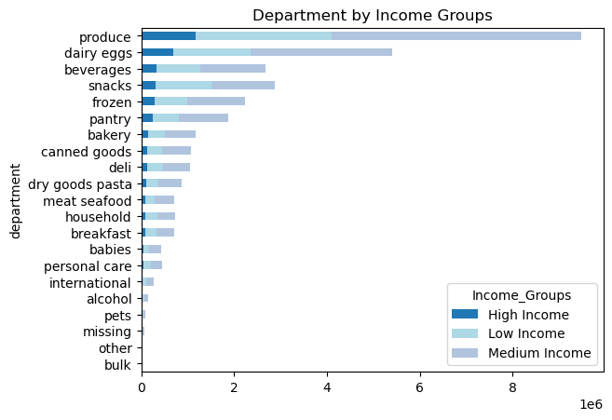

The below bar chart shows the price range of the products ordered by the customers based on their income. The majority of the medium income customers prefer to buy the mid range products. For the high range products, the majority of the buyers are also from the medium income group.
The below bar chart shows the order frequency of the canned goods users. The majority of the canned goods users are frequent customers (i.e., their median_order_days is <= 10)
The below bar chart shows the price range of the products ordered by the customers who orders canned goods from instacart. Majority of the canned goods users prefer to order mid range products, followed by low range products and high range products respectively.

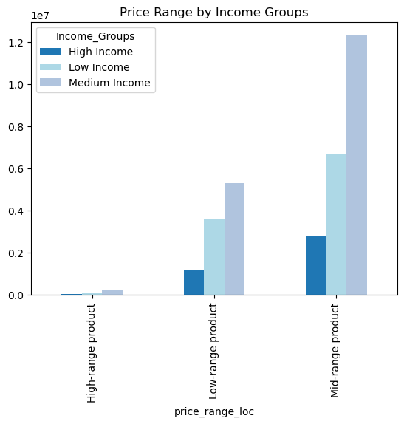
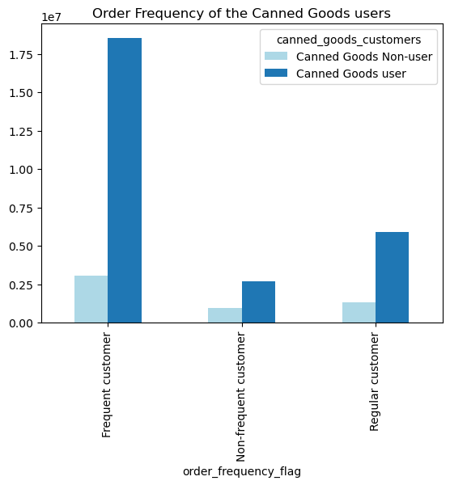
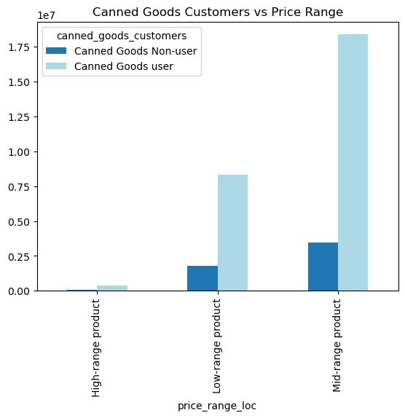

The below bar chart shows the regional distribution of the canned goods users. As seen earlier, the majority of the canned goods users are from south. But on the other hand, the number of canned goods users from west, midwest and also northeast are quite comparable to each other.
The below bar chart shows the canned goods users based on their age groups. Majority of the canned goods users are of middle age, followed by old age and young age.
The below bar chart shows the spending habits of the customers according to their family status. We have already seen before that majority of the customers are low spenders. Here we can see that majority of the low spending customers are married WITH dependants, followed by single with NO dependants and married with NO dependants.

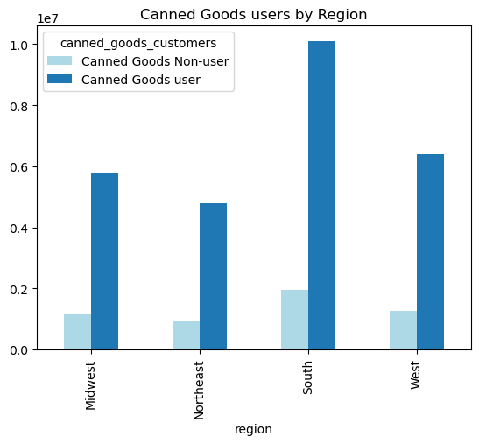
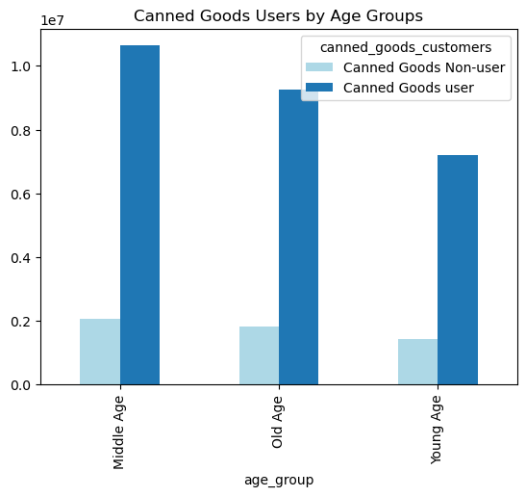
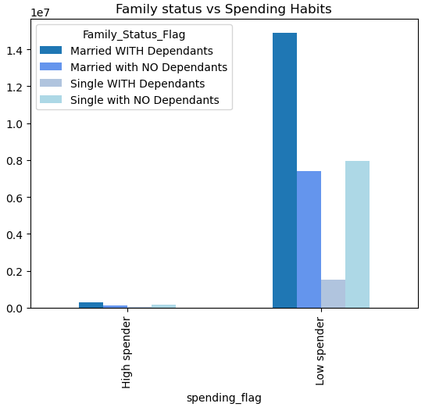

The below bar chart shows the ordering time of the customers based on their family status. Here we can see that majority of the customers who are married WITH dependants places an order in between 9am and 5pm.
The below bar chart shows the orders placed by the customers across all departments according to their family status. Here we can see that majority of the customers who are married WITH dependants orders produce items, followed by dairy eggs and snacks.
The below bar chart shows the family status of the customers regionally. Here also we can see that majorrity of the customers who are married WITH dependants belongs from the South region, followed by West and Midwest.

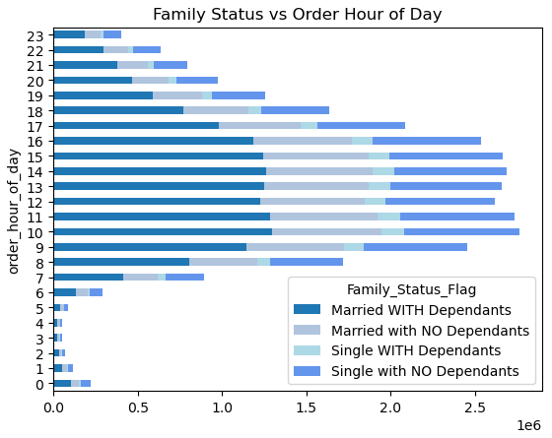
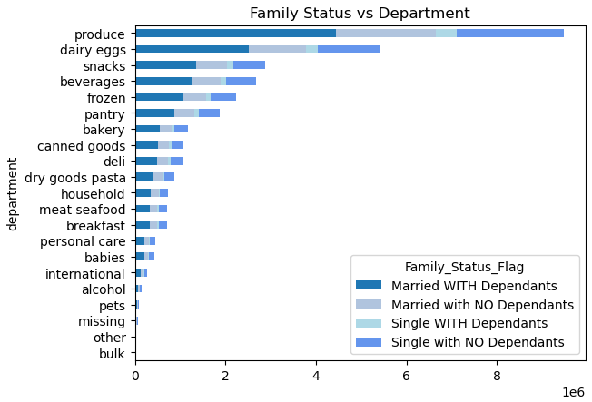
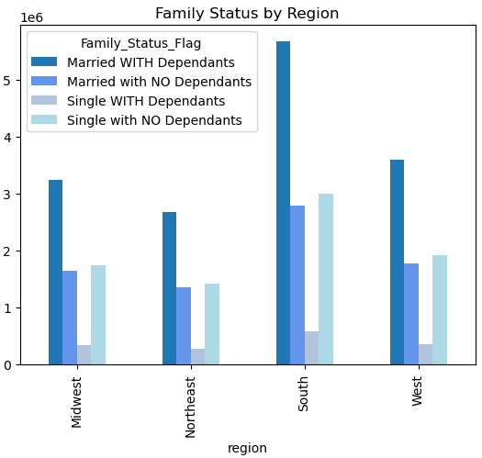

The below bar chart shows the price range of the products ordered by the customers based on their family status. We can see that majority of the revenue is generated by the mid-range products and are ordered by the customers who are married and have dependants.

7. Recommendations
 |  | Title page

Recommendations

1. The sales team needs to know what the busiest days of the week and hours of the day are (i.e., the days and times with the most orders) in order to schedule ads at times when there are fewer orders.

Observation: | The busiest days of the week are Saturday and Sunday, and the busiest hour of the day is 9am to 4pm. On the other hand, the least busy days of the week are Tuesday and Wednesday, and the least busy hour of the day is in between 12am to 7am.
The marketing team can run some promotions or offers targeting only the the middle days of the week (Tuesday, Wednesday, Thursday) to attract the customers. Also, as Instacart is having more frequent customers as compared to regular and non frequent customers, they can also think of introducing some loyalty points which would incentivize its frequent customers if orders are placed on these particular days (Tuesday, Wednesday, Thursday). They can also run some special offers for placing orders in the evening time (5pm to 10pm).
Recommendation:

Click here for the Visualization

2. They also want to know whether there are particular times of the day when people spend the most money, as this might inform the type of products they advertise at these times.

The amount spent by the customers seems to spike at 4am, and again fall at 5am. But from 9am to 8pm, the prices remains quite constant.
Observation:

The sales team could run some ads of its high range products at around 4am and may also give some special offers for its high range products during this time. They can also run some customized ads and offer some discounts of their high range products from 9am to 5pm, since these are the busiest hours of the day, and during this time mostly the customers focus on the mid range products only. This would help in creating an awareness of its high range products and also increase the possibility of them getting sold out and simultaneously increase the bill value during the peak hours of the day.
Recommendation:

Click here for the Visualization

3. Instacart has a lot of products with different price tags. Marketing and sales want to use simpler price range groupings to help direct their efforts.

Majority of the products belongs to the mid-range (i.e., their price is in between $5 to $15) , followed by the low-range and high-range respectively.
Observation:
As we can see that majority of the products are mid range products, followed by low range products, so we should now focus to the high range products. Most of the high range products are bought by the medium income customers, followed by the low income customers. And surprisingly very few high income customers are seen ordering the high range products inspite of their ability to buy them, hence would recommend to target these high income customers and show them some customized ads of the high range products and incentivize them by providing special offers and special loyalty points.
Recommendation:

Click here for the Visualization

4. Are their certain types of products that are more popular than others? The marketing and sales team want to know which departments have the highest frequency of product orders.

Produce is the most popular department followed by Dairy Eggs, Snacks and Beverages
Observation:

II would recommend Instancart to do some promotional activities for the other departments like bakery, deli, meat seafood, canned goods to increase their revenue. Since the majority revenue is generated from produce which consists of fresh vegetables and fruits, we can also try to promote the frozen and canned goods of vegetables and fruits specifically to the low and medium income groups and the young and middle age customers by showing them its advantages over fresh vegetables.
Recommendation:

Click here for the Visualization

5. What's the distribution among users in regards to their brand loyalty (i.e., how often do they return to Instacart)?

The majority of the customers (i.e., 15,876,776 customers) are regular customers who places 10 to 40 orders, followed by 10,284,093 loyal customers who places more than 40 orders, and lastly 6,243,990 new customers who places less than 10 orders.
Observation:

Though a good number of custromers are already a regular customer being the maximum revenue generator for instacart, I would still suggest the marketing team to target specifically the regular customers and give them more customized offers and run some more ads and try to increase their orders and convert them to a loyal customer.
Recommendation:

Click here for the visualization

6. Are there differences in ordering habits based on a customer's loyalty status?

There are no much differences in the ordering habits based on the customer's loyalty status.
Regular Customers: Majority of the regular customers are low spenders (average product price is less than $10) and places an order in between 9am to 16pm. Quite a comparable number of regular customers places an order on the regularly busy days (i.e., on Monday, Thursday or Friday), followed by the busiest days (i.e., on Saturday and Sunday).
Loyal Customers: Majority of the loyal customers are also low spenders and places an order in between 9am to 16pm. Similar to the regular customers, a comparable number of loyal customers places an order on the regular days followed by the busiest days.
New Customers: Majority of the new customers are also low spenders and places an order in between 9am to 16pm. Almost similar number of new customers places an order on both regular as well as on the busiest days.
Observation:

As mentioned above, would suggest the marketing team to introduce loyalty points and give more customized offers for its customers specifically on Tuesdays and Wednesdays, and at the later part of the day (i.e., after 5pm) to attract more orders on these low order times. And also show more ads and give some offers on its high range products to increase the average product price per order.
Recommendation:

Click here for the visualization

7. Are there differences in ordering habits based on customer's region?

Majority of both the low spending and high spending customers are based in the South, followed by West and Midwest regions. In South, majority of the revenue comes from the Produce, followed by Dairy Eggs, Snacks and Beverages. In the West also, majority of the revenue comes from Produce, Dairy Eggs, Snacks and Beverages. The Western region also follows the same trend.
Observation:

I would suggest the marketing team to show customized ads and give customized offers to the customers based on their region. Since Northeast generates the least revenue, would suggest to do more promotions there and offer them more discounts to increase its revenue. Also, as suggested earlier, would recommend Instacart to do some promotional activities for the other departments like deli, breakfast, meat and seafood, frozen etc, since we can see here that in all the regions sales is less in all these departments.
Recommendation:

Click here for the Visualization

8. Is there a connection between age and family status in terms of ordering habits?

Majority of the customers are middle aged ( age is in between 35 and 60) and are married with dependants.
Observation:

Since we know here that majority of the customers are married with dependants and are aged in between 35 to 60 years, would recommend the marketing team to create customized ads for this particular group, and the old aged and single/married customers without any dependants separately. This would help to target both the groups accordingly. And would also suggest to offer special discounts to the old aged and single/married customers without any dependants to increase the revenue.
Recommendation:

Click here for the visualization

9. What different classifications does the demographic information suggest? Age? Income? Certain type of goods? Family status?

The demographic information suggests classifications of the customers based on their age, income, canned goods users and their family status. Majority of the customers are middle aged (age in between 35 and 60 years), earns in between 75,000 and 150,000, buys canned goods and are married with dependants.
Observation:

Would recommend the team to target the old aged customers since the number of old aged customers are quite comparable to the number of middle aged customers, and majority of the high income customers are old aged. Hence we know that this group has the potential to purchase the high range products and also place more frequent orders. Giving more offers to this group would definately increase the bill value and eventually increase Instacart's revenue.
Recommendation:

Click here for the Visualization

10. What differences can you find in ordering habits of different customer profiles? Consider the price of orders, the frequency of orders, the products customers are ordering, and anything else you can think of.

Customer profiling based on AGE:
Majority of the low spenders are middle aged, followed by old aged and young aged respectively.
All the age groups prefers to place an order in between 9am and 4pm.
Almost same number of middle aged and old aged customers have a medium income. Majority of the low income customers are young aged. Majority of the high income customers are old aged, followed by middle aged. Young aged customers are least in the high income group
All the age groups orders produce products the most, followed by dairy eggs, snacks and beverages.
All the age groups are frequent customers (i.e., on an average they palces an order within 10days of their previous order).
All the age groups prefers to order a mid range product.
Customer profiling based on INCOME:
Most of the frequent customers have a medium income, followed by low income and high income respectively.
All the income groups are low spenders.
The medium income group orders produce products the most, followed by dairy eggs, snacks and beverages. The same goes for the high income group. But, the low income group orders snacks more than beverages.
Majority of the canned goods users have a medium income, followed by low income and high income respectively.
Majority of all the income groups are based in south, followed by west and midwest respectively.
All the income groups orders mid range products.
Customer prodiling based on CANNED GOODS USERS:
Majority of the frequent customers orders canned goods.
Majority of the canned goods users orders mid range products.
Majority of the canned goods users are also from south, followed by west and midwest respectively.
Majority of the canned goods users are middle aged.
Customer profiling based on FAMILY STATUS:
Majority of the low spenders are married with dependants, followed by single with no dependants and married with no dependants respectively.
All the customers irrespective of their family status orders in between 9am and 4pm.
All the customers irrespective of their family status orders produe products the most, followed by dairy eggs, snacks and beverages.
Majority of the customers who are married and have dependants are from south, followed by west and midwest.
All the customers irrespective of their family status orders mid range products.
Observation:

We can see that majority of Instacart's customers are middle aged, have medium income, are from south and are married with dependants. Would suggest to introduce loyalty points for them to increase their orders and convert them to a loyal customer. On the other hand, would suggest to target the second major groups separately like the low income groups , single/married without dependants, customers from west and midwest, show more ads to them and provide special offers. Also as stated earlier, would suggest to target the old aged customers specifically with more high range products since majority of them have high incomes.
Recommendation:

Click here for the Visualizations

